1. Title Page
Project Name: Instacart Grocery Basket Analysis
Date: 1.12.25
Analyst Name: Kirsten Currie

Contents:
Population Flow
Consistency checks
Wrangling steps
Column derivations
Visualizations
Recommendations

Data Source:
The Instacart Online Grocery Shopping Dataset 2017”, Accessed from www.instacart.com/datasets/grocery-shopping-2017 via Kaggle on 1/12/25.
The customer data & "prices" column in the products data set were both fabricated for the purpose of this course.

Data Size
Data size was reduced to 20% in the orders_products_combined stage due to Jupyter Lab online Kernel limitations. It was determined that 20% of the Orders dataset would be sufficient for the purposes of the analysis.

2. Population Flow
Title page

Population flow

Exclusion flag
Condition: max_order < 5
Obervations to be removed: 951,923
Final total count of order_products_all: 5,529,021

Orders_products_combined
Orders_products_merged
Orders_products_all

Total: 6,480,944
Total: 6,496,898
Total: 6,480,944

1.) The grey boxes in the first row of the population flow represent the original data sets as they were when you downloaded them. In the Total fields you need to add the count of the rows when you imported the data set into Jupyter.
2.) The second row of boxes (coloured) represents the data sets after you manipulated them, e.g., removed missing values and duplicates. In the Total fields you need to add the count of the rows after conducting these operations. This offers a visual oveview of how the data flows throughout the data consistency checks.
3.) The third row, where also the arrows are coloured, represents the merges you performed between the datasets. In the Total fields you need to add the count of the rows in the merged datasets, so that you end up with the final dataset (in the red box). Keep in mind the final dataset should be without exclusions (based on the exclusion flag).

3. Consistency checks
 |  |  |  | Title page
Consistency checks

Dataset | Missing values | Missing values treatment | Duplicates
orders | days_since_prior_order (206209) | Nothing; presumed that missing values are for first time customers | None
products | product_name(16) | Remove | 5 rows
orders_products_prior | None | None | None
customers | First name | None | None

4. Wrangling steps
 |  |  |  |  | Title page
Wrangling steps

Dataset | Columns dropped | Columns renamed | Columns' type changed | Comment/Reason
orders | eval_set | eval_set -> evaluation_set | user_id -> str
products |  | order_dow -> orders_day_of_week | order_id -> str
orders_products_prior | none | none | none | Reduced dataframe to 20% of original size as workaround for Jupyter Lab notebook issue
customers | first_name last_name | Surnam -> last_name First Name -> first_name STATE -> state_name Age -> age_customer fam_status -> marital_status Gender -> gender n_dependants -> number_dependants | none | Removed first_name & last_name for customer privacy

5. Column derivations
 |  |  |  | Title page

Column derivations and aggregations

In this tab you should add tables below that the frequences of flags/label variables that you produced after deriving them. NB: don't do this for continuous variables, only for flags.
Dataset | New column | Column/s it was derived from | Conditions
orders_products_variables | price_label | prices | def price_label(row): if row['prices'] <= 5: return 'Low-range product' elif (row['prices'] > 5) and (row['prices'] <= 15): return 'Mid-range product' elif row['prices'] > 15: return 'High range' else: return 'Not enough data'
orders_products_variables | price_range_loc | prices | > 15, 'price_range_loc'] = 'High-range product' <= 15) & (ords_prods_merge['prices'] > 5), 'price_range_loc'] = 'Mid-range product' <= 5, 'price_range_loc'] = 'Low-range product'
orders_products_variables | busiest_day | orders_day_of_week | for value in ords_prods_merge["orders_day_of_week"]: if value == 0: result.append("Busiest day") elif value == 4: result.append("Least busy") else: result.append("Regularly busy")
orders_products_variables | busiest_days | orders_day_of_week | for value in ords_prods_merge["orders_day_of_week"]: if value in [0,1]: result_2.append("Busiest days") elif value in [3,4]: result_2.append("Least busy days") else: result_2.append("Regularly busy")
orders_products_variables | busiest_period_of_day | order_hour_of_day | .isin([10, 11, 14, 13, 15, 12, 16, 9]), 'busiest_period_of_day'] = 'Most orders' .isin([3, 4, 2, 5, 1, 0, 6, 23]), 'busiest_period_of_day'] = 'Fewest orders' .isin([22, 21, 7, 20, 19, 18, 8, 17]), 'busiest_period_of_day'] = 'Average orders'
orders_products_aggregates | max_order | user_id, order_number | agg({'order_number': ['mean', 'min', 'max']})
orders_products_aggregates | loyalty_flag | max_order | > 40 = 'Loyal customer' > 10 = 'Regular customer' <= 10 = 'New customer'
orders_products_aggregates | mean | department_id, order_number | agg({'order_number': ['mean']})
orders_products_aggregates | spender_flag | mean_price | >= 10, 'spender_flag'] = 'High spender' < 10, 'spender_flag'] = 'Low spender'
orders_products_aggregates | order_frequency_flag | median_order | > 20, 'order_frequency_flag'] = 'Non-frequent customer' <=20), 'order_frequency_flag'] = 'Regular customer' <= 10, 'order_frequency_flag'] = 'Frequent customer'
customers | none | none | none
ic_final | parent_age_flag | age_customer, number_dependants | [(ic_final['age_customer'] < 35) & (ic_final['number_dependants'].isin([1,2,3])), 'parent_age_flag'] = 'Young parent' loc[(ic_final['age_customer'] >= 35) & (ic_final['age_customer'] < 60) & (ic_final['number_dependants'].isin([1,2,3])), 'parent_age_flag'] = 'Older parent' loc[(ic_final['age_customer'] >= 60) & (ic_final['number_dependants'].isin([1,2,3])), 'parent_age_flag'] = 'Much older parent' .isin([0])), 'parent_age_flag'] = 'Not a parent'
ic_final | ages_flag | age_customer | ic_final.loc[(ic_final['age_customer'] < 25), 'ages_flag'] = 'Under 25' ic_final.loc[(ic_final['age_customer'] >= 25) & (ic_final['age_customer'] < 44), 'ages_flag'] = 'Adults 25 - 44' ic_final.loc[(ic_final['age_customer'] >= 45) & (ic_final['age_customer'] < 64), 'ages_flag'] = 'Middle Aged 45 - 64' ic_final.loc[(ic_final['age_customer'] >= 65), 'ages_flag'] = 'Senior 65+'
ic_final | time_flag | order_hour_of_day | ic_final.loc[ic_final['order_hour_of_day'].isin([6,7,8,9,10,11]), 'time_flag'] = 'Morning shopper' ic_final.loc[ic_final['order_hour_of_day'].isin([12,13,14,15,16,17]), 'time_flag'] = 'Afternoon shopper' ic_final.loc[ic_final['order_hour_of_day'].isin([18,19,20,21,22,23]), 'time_flag'] = 'Evening shopper' ic_final.loc[ic_final['order_hour_of_day'].isin([0,1,2,3,4,5]), 'time_flag'] = 'Insomniac shopper'
ic_final | income_flag | income | ic_final.loc[ic_final['income'] < 50000, 'income_flag'] = 'Low Income' ic_final.loc[(ic_final['income'] >= 50000) & (ic_final['income'] < 150000), 'income_flag'] = 'Mid Income' ic_final.loc[ic_final['income'] > 150000, 'income_flag'] = 'High Income'

loyalty_flag vs. prices |  | loyalty_flag vs order_number
Loyal customer = 10.44398 |  | Loyal customer = 32.734885199
New customer - 14.232985 |  | New customer = 3.843439110
Regular customer = 12.023942 |  | Regular customer = 12.446532140

spender_flag |  | order_frequency_flag
Low spender 6322937 |  | Frequent customer 4306996
High spender 158007 |  | Regular customer 1416195
Name: count, dtype: int64 |  | Non-frequent customer 754546

busiest_period_of_day |  | busiest_days
Most orders 4224765 |  | Regularly busy 2581855
Average orders 1999006 |  | Busiest days 2371748
Fewest orders 257173 |  | Least busy days 1527341
Name: count, dtype: int64

price_range_loc |  | busiest_day
Mid-range product 4370693 |  | Regularly busy 4483137
Low-range product 2026583 |  | Busiest day 1240642
High-range product 83668 |  | Least busy 757165

price_label |  | parent_age_flag
Mid-range product 717587 |  | Older parent 1630958
Low-range product 280879 |  | Much older parent 1414400
High range 1534 |  | Not a parent 1378588
 |  | Young parent 1105075

ages_flag |  | time_flag
Adults 25 - 44 1648049 |  | Afternoon shopper 2620179
Middle Aged 45 - 64 1638069 |  | Morning shopper 1825035
Senior 65+ 1458587 |  | Evening shopper 982538
Under 25 607087 |  | Insomniac shopper 101269
nan 177229

income_flag
Mid Income 4215215
High Income 687403
Low Income 626250
nan 153

6. Visualizations
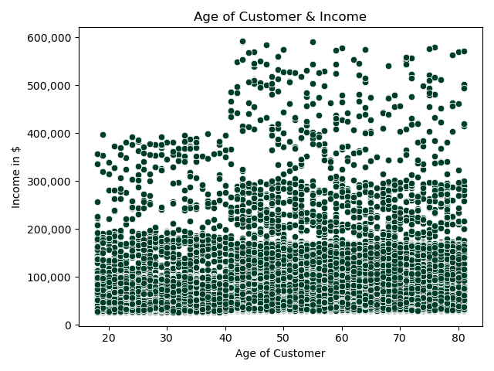
 |  | Title page

Visualisations

Key Questions

Busiest Days & Hours: The sales team needs to know what the busiest days of the week and hours of the day are (i.e., the days and times with the most orders) in order to schedule ads at times when there are fewer orders.

Comment: The weekend sees the highest influx of orders (Saturday & Sunday) and 10 -11am are typically the peak shopping hours (falling off after 4-5pm).

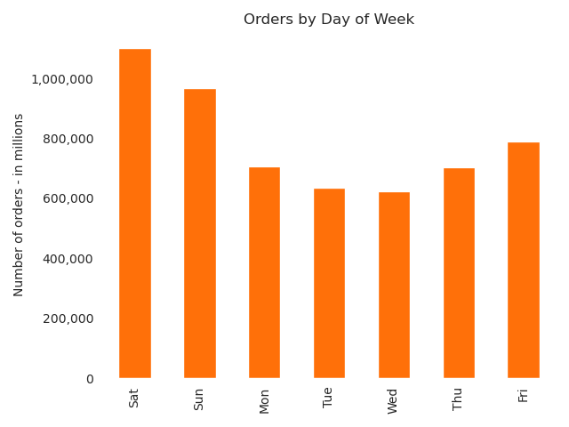
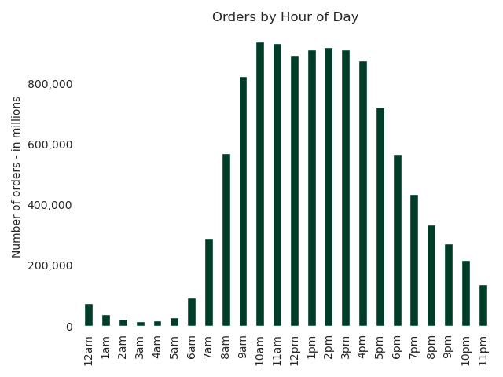

Money Spent Day & Week: They also want to know whether there are particular times of the day when people spend the most money, as this might inform the type of products they advertise at these times.

Comment: Sales are higher in the morning and weekends, though it should be noted these numbers are a samle (30%) of the total dataset

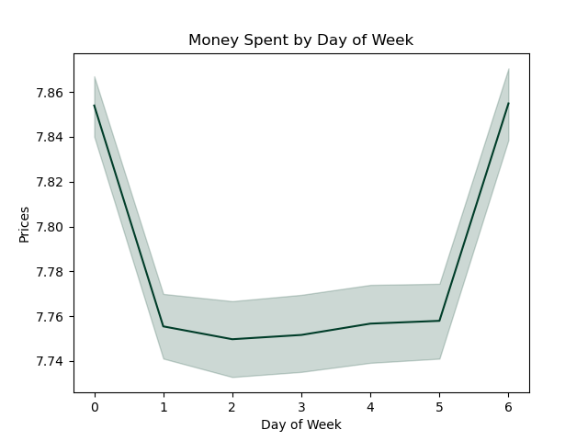
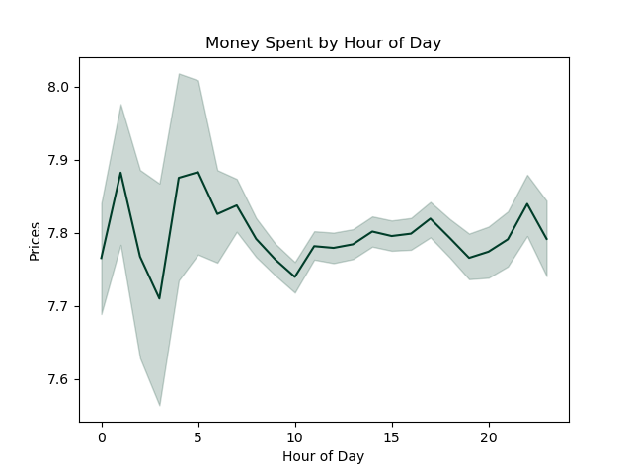

Price Range Groupings: Instacart has a lot of products with different price tags. Marketing and sales want to use simpler price range groupings to help direct their efforts.

Comment: Product prices ranges are grouped in the following categories--High, Mid, and Low Range

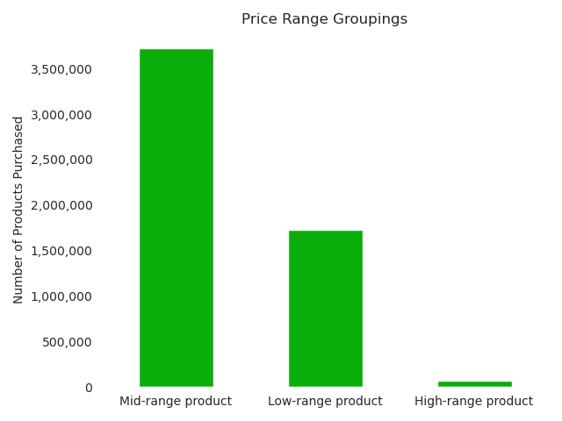

Product Popularity: Are there certain types of products that are more popular than others? The marketing and sales teams want to know which departments have the highest frequency of product orders.

Comment: Produce, Dairy, & Eggs are the departments with the highest frequency of orders. Pets & Bulk are two of the least ordered categories.
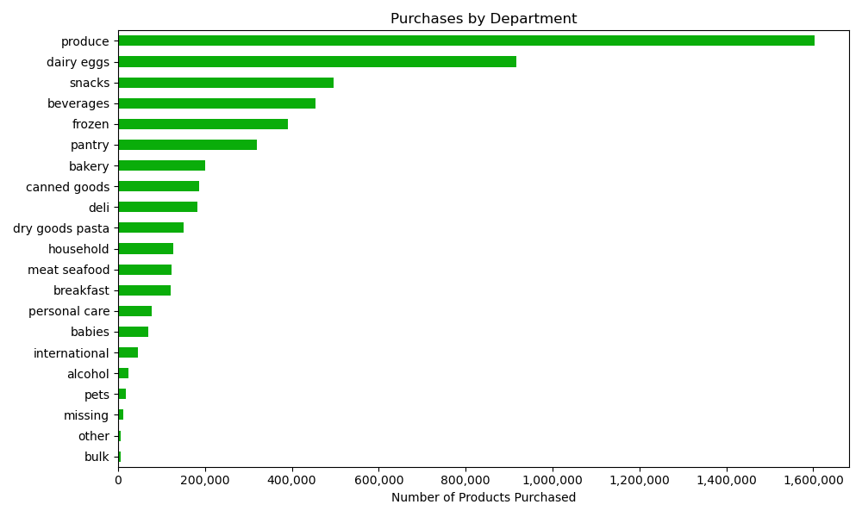

Customer Profiles & Behavior

1. Demographic Profiles Groups

Shopping Time Groups: Morning Shopper | Afternoon Shopper | Evening Shopper | Insomniac Shopper | Age Groups: Under 25 | Adults 25 - 44 | Middled Aged 45 - 64 | Senior 65+

Observations: Afternoon shoppers are the most common, while Insomniac (late night) shoppers are the least common | Observations: Adults 25 - 44 represent the largest age group demographic followed closely by Middle Age adults 45-64; Consumers under 25 are the smallest customer age
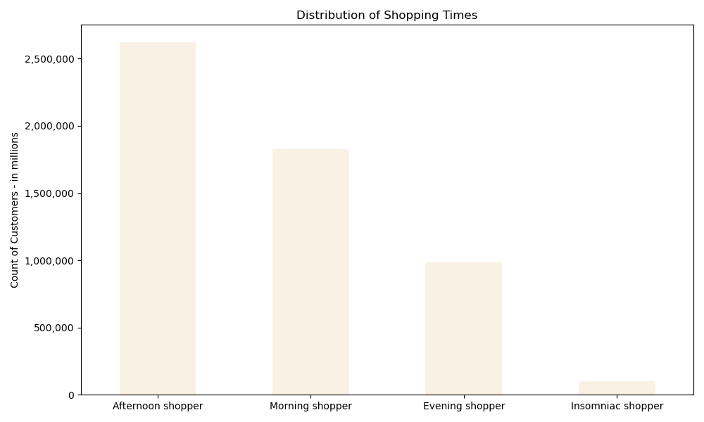
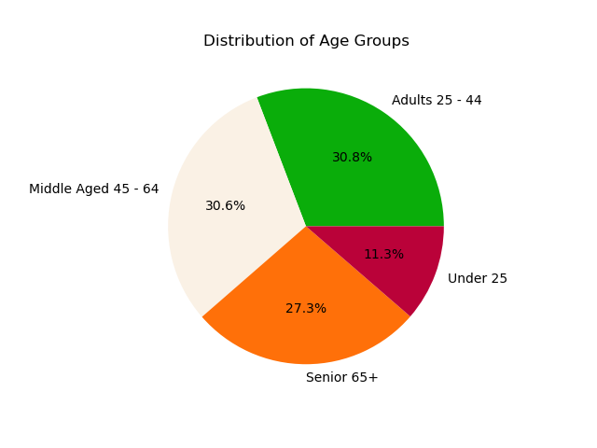

Parent Age Groups: Young Parent <35 | Older Parent 35 - 59 | Much Older Parent 60+
Observations: Parents between the ages of 35 - 59 are most frequent followed by 60+ and under 35 parents.
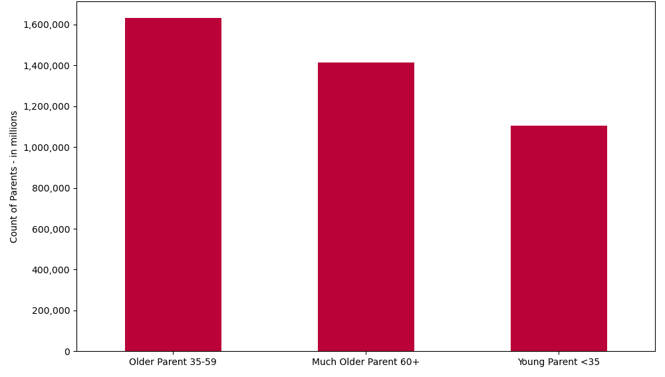

2. Customer Profiles & Loyalty

Age Group Loyalty: Regular shoppers in both Adults 25-44 & Middle Aged Adults dominate the platform | Parent Age Loyalty: Older parents surpass the other parent age groups the customer pool
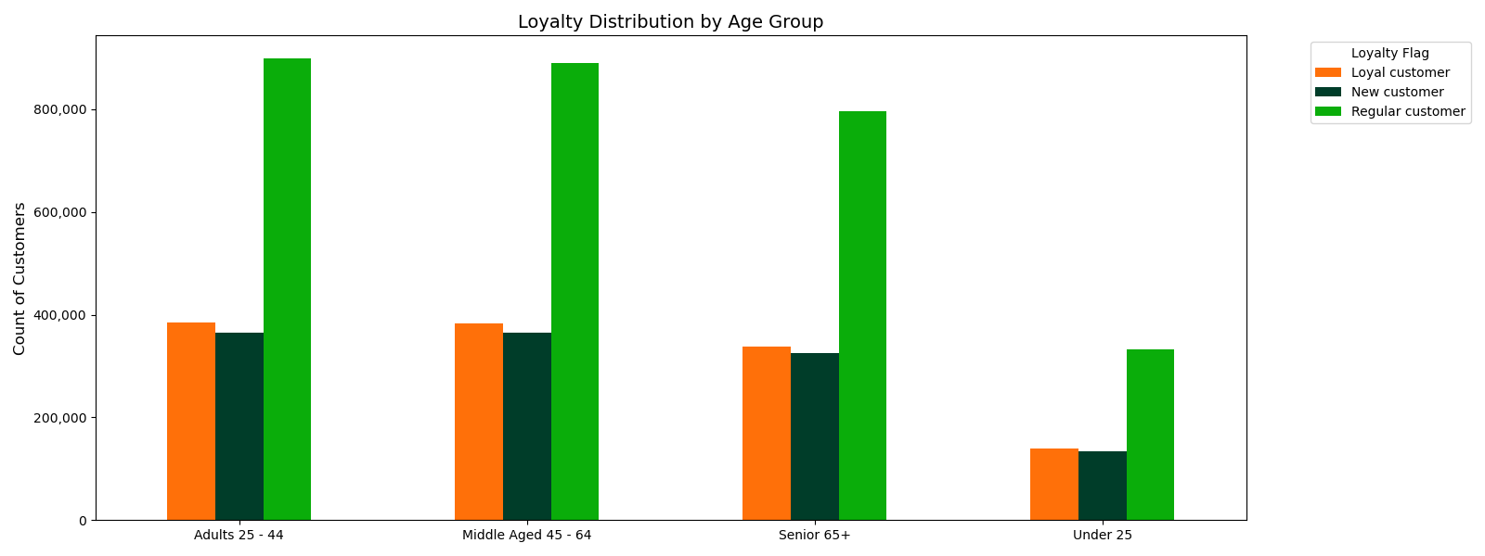
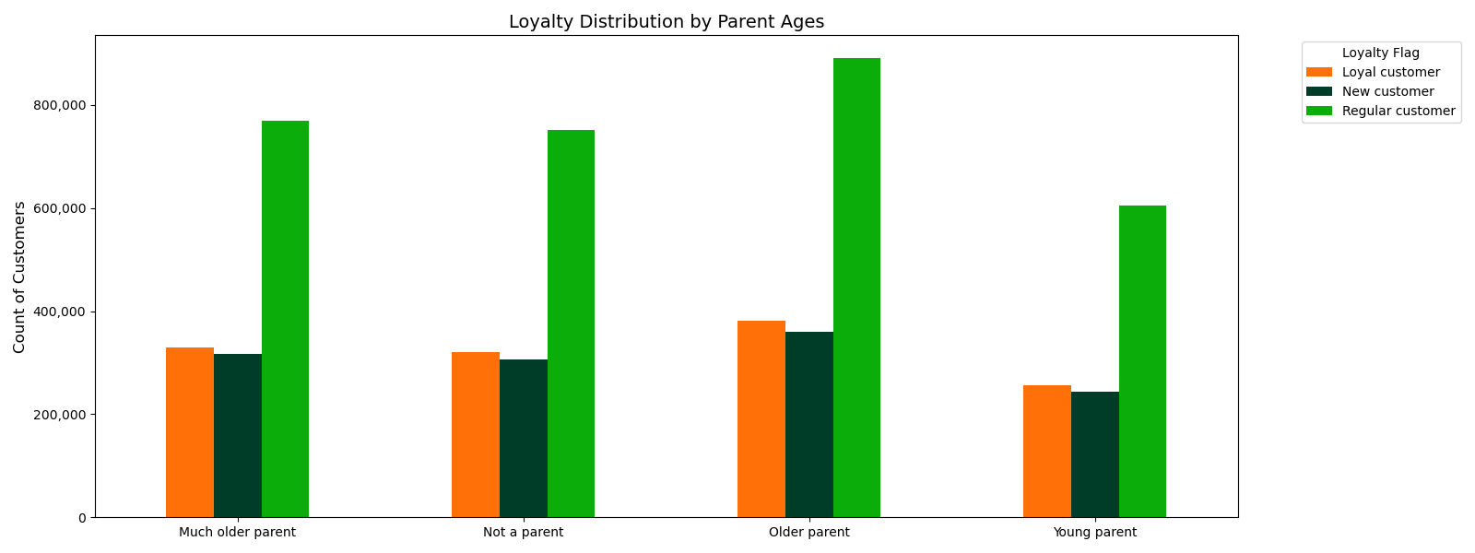

3. Ordering Habits & Loyalty

Customer Loyalty Groups by Department: Regular customers buy almost twice as much produce and eggs than even Loyal customers!
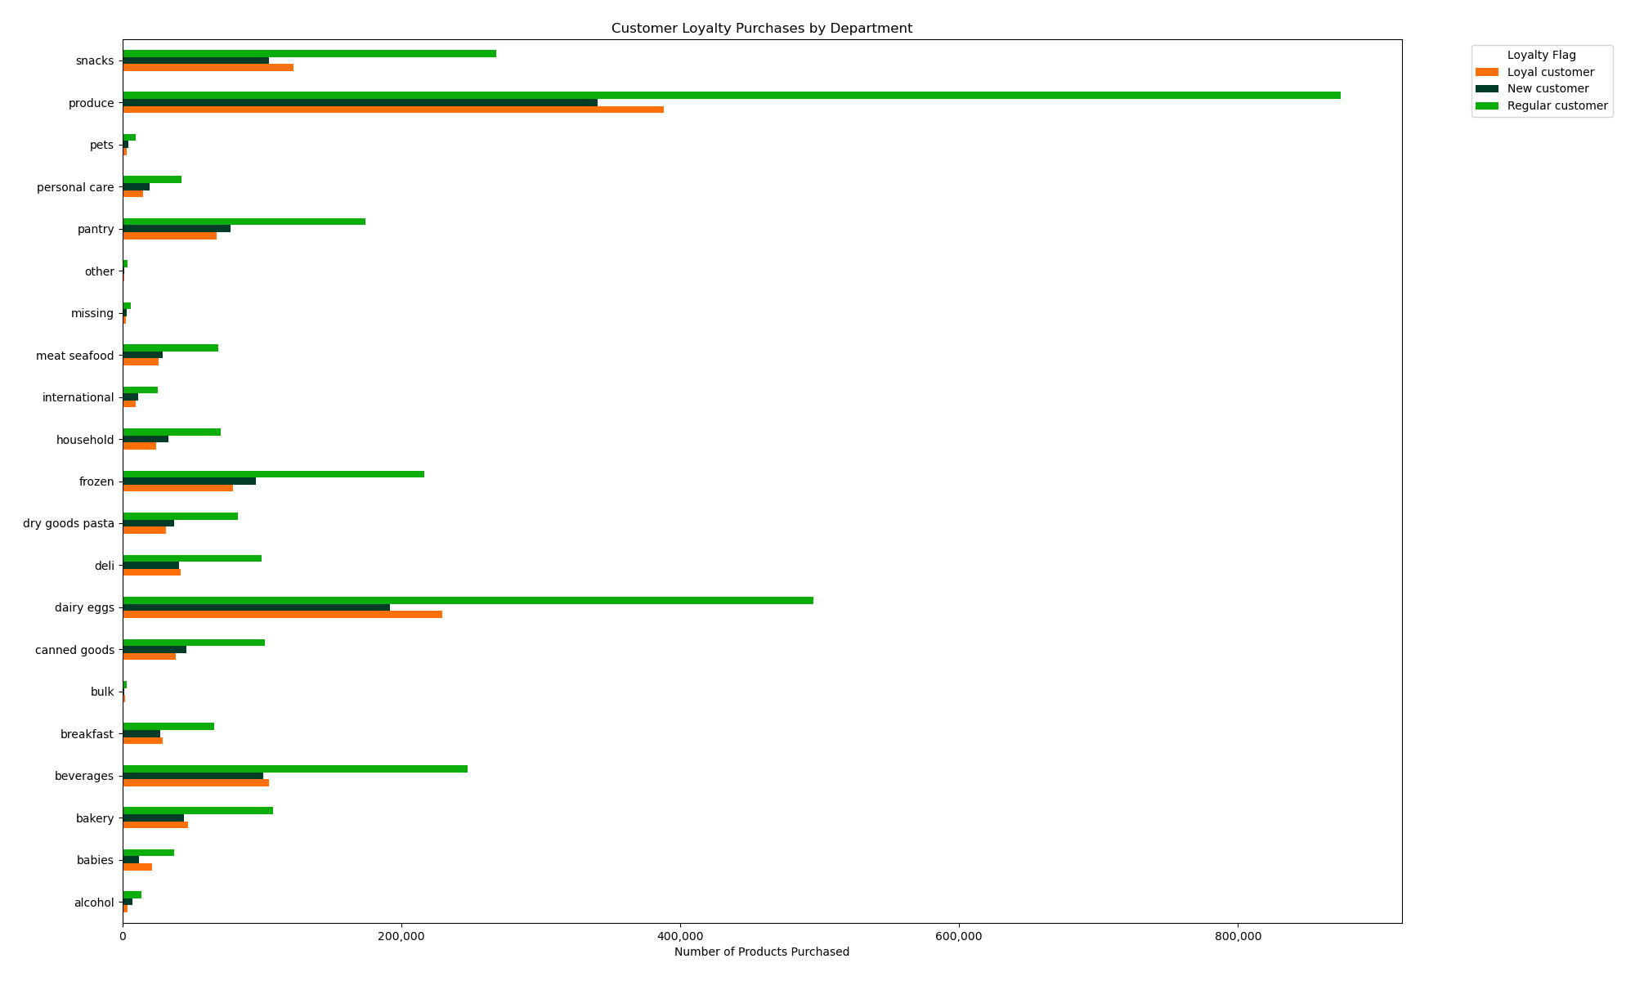

4. Ordering Habits by Regions

Comment: It should be noted that the South has a larger user base overall. Purchasing trends tend to mirror each other across departments by Regions.
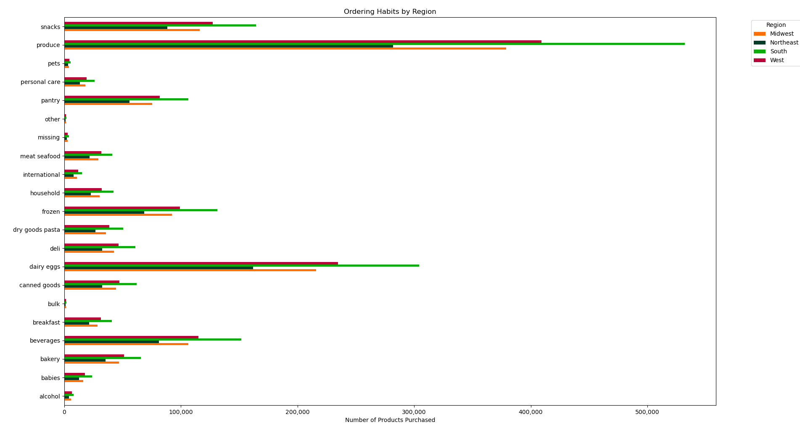

5. Age, Family Status, & Income Classification Observations

Customer Age & Dependants: Though it varies widely by customer age, the average number of children is slightly lower in mid 20s to mid 50s, while slightly higher for those under 20 and 60+. This was also a subset (30%) of the total data.
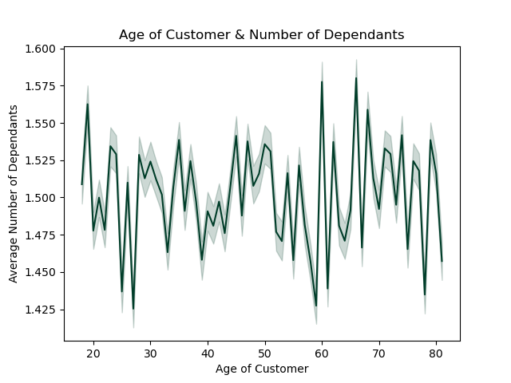

Customer Age & Income: This scatterplot shows that the purchasing power of customers in their 20s - 30s is not has high as those in their 40s to 80s and above. Interestingly, there is a sudden increase after age 40.

7. Recommendations
 |  |  | Title page

Recommendations

Question | Answer | Recommendations
What are the busiest days of week and hours of day? | Saturdays & Sundays are the busiest days of the week; 10am & 11am are the busiest hours of the day | Optimize 'staple goods' (produce, eggs, dairy, snacks) sales & marketing campaigns for the weekend shoppers where customers are stocking up for the week.
Are there times of the day and week when customers tend to spend more money? | Customers tend to spend more money on the weekends & in the early mornings. | Lean into these higher frequented time periods by providing opportunities for customers to "think head" for the day or make suggestions for easy day prep. Raise awareness for low-performing categories within these time frames (e.g. refreshing after work drinks for gatherings with friends).
Are there products types that are more popular than others? | Produce, Eggs, Dairy, Snacks, & Beverages are most purchased items overall. Pets, Alcohol, and Bulk are the least sold. Mid-ranged price products are also sold most frequently. | Are there ways to cross-market least selling goods with the highest? For example, snacks for your pets? Popular snacks sold in bulk? Lean into mid-range price points for better margins. Don't over-buy into low or high priced items unless they can boost low-performing category sales.
What part of Instacart's product offering has the lowest market share and why? How can they improve? | Bulk, Pet, and Alcohol have some of the lowest demand and market share in total customer purchases. | See above for possible ways to cross-market with popular categories or time-periods.
What’s the distribution among users in regards to their brand loyalty? | Brand loyalty varies by customer profile types: Adults 25 - 44 and Middle-Aged adults 45-64 tend are more common than other age groups. Among customers who are parents, Older Parents 35 - 59 tend to return the most. When comparing loyalty between Highest - Least Loyal (most returning), the biggest volume of business still comes from Regular Customers (those who've made more than 10 purchase, but not more than 40) | Lean into products for families--don't disregard customers with no dependants as this category closely followed purchased made by older parents. Considering large size of the Regular Customer sector, create incentives to boost the frequencies of their purchases.
Are there differences in ordering habits based on a customer’s region? | Overall the Southern region of the United States has the highest customer volume overall. Snacks, Produce, Dairy, & Eggs still perform the highest across these regions. Regions tend to mirror themselves across all food departments for demand (order seems to have a demand pattern of 1) South, 2) West, 3) Midwest, and 4) Northeast). | Peform further research to see if different departments sell better by Region or State. Are there unique or exclusive products that might be sold only to specific regions to bolster low-performing categories? For example, Southern Style Dog Chow.
What different classifications does the demographic information sugges Age? Income? Certain types of goods? Family status? | Customer Age & Dependants: Though it varies widely by customer age, the average number of children is slightly lower in mid 20s to mid 50s, while slightly higher for those under 20 and 60+. This was also a subset (30%) of the total data. Customer Age & Income: This scatterplot shows that the purchasing power of customers in their 20s - 30s is not has high as those in their 40s to 80s and above. Interestingly, there is a sudden increase after age 40. | Consider the rise of under 20 parents' increase in average number of children. How could they be catered to from a product standpoint in order to boost sales in this younger parent demographic?
What differences can you find in ordering habits of different custom profiles? | Shopping Time Groups: When grouped by shopping time of day, it was obvserved from the data that Afternoon Shoppers represent the largest group of the customer base, while 'Insomniac' (late night/early morning) shoppers where the smallest group. | There appears to be higher item price purchases in the early morning hours, despite the amount of purchases made being low. Could special ad campaigns be made for unique late night snackers or meal prep products for those meal prepping and getting an early start to organizing their days/week?

